COA
Shandong Huayuan new material Co., Ltd
Certificate Of Analysis
Inspection Basis:GB/T 538-2018
Product Name | Boric Acid | Product Date | 2022.07.14
Batch NO. | 2022.07.14 | Sampling Date: | 2022.07.14
Sampling Place: | New Production line | Test Date: | 2022.07.14
Test Items | Qualified Standard
 | Superior Grade | First Grade | Qualified Grade | Test Result
Appearance | White powdery crystal or scaly shiny crystal on the triaxial plane |  |  | White powdery crystal
H3BO3，w /% | 99.6~100.8 | 99.4~100.8 | >=99.0 | 99.74
B2O3，w /% >= | 56.1
Water insoluble matter, w /% <= | 0.01 | 0.04 | 0.06 | 0.02
Sulfate (calculated as SO4), w /% <= | 0.1 | 0.2 | 0.6 | -
Chloride (calculated as CL), w /% <= | 0.01 | 0.05 | 0.1 | 0.01
Fe，w /% <= | 0.001 | 0.0015 | 0.002 | 0.001
Heavy Metal (calculated as Pb), w /% <= | 0.001 | - | - | -
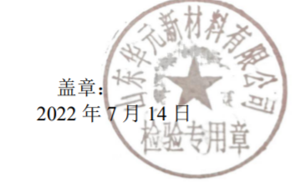
Seal:

Analyst: | Changle | Checker: | Su Wentao

