EN
Certificate of Analysis
Product name | (S)-4-Chloro-3-Hydroxybutyronitrile | Quantity (ton) | 3.5 MT
Package specification | 250kg/drum | Batch number | 20220602
Sampling time | 2022.6.29 | Sampling volume | 100ml
Test date | 2022.6.30 | Date of production | 2022.6.30
Analysis items | Quality index | Analysis results | Signature of analyst
Appearance | Light yellow to yellow transparent liquid | Light yellow transparent fluid | 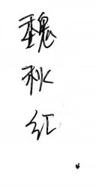
Specific rotation【α】D25 | -15°~-19.0° | -18.37°
Purity | Qualified products ≥ 98% | 98.99%
 | Superior products ≥98.50%
Water content | Qualified products≤1.0% | 0.26%
 | Superior products≤0.5%
Clarity | Clear, no turbidity | Clear, no turbidity
Special seal for enterprise quality: | 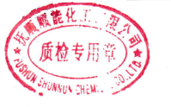 | Enterprise name: | Fushun Shunnun Chemical Co., Ltd.
Person in charge of analysis |  | Business address: | No. 52, Chengxiang Road, Dongzhou District, Fushun City
Product grade |  | Conclusion
Superior products R | Qualified products£

CN
