Sheet1
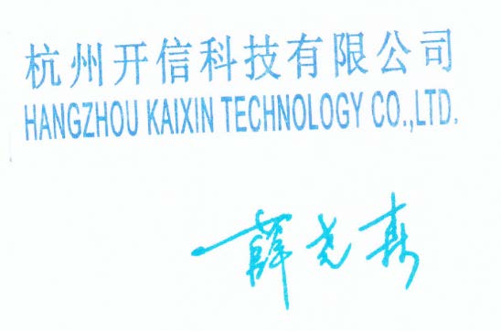
 | Certificate of Anylysis
Name | Batch No. | Quantity
(C18H15P) TRIPHENYL PHOSPHINE | 21060107259485A | 1000g
 | Date of Mfg | Date of Expiry
 | 2021-06-01 | 2022-05-30
Test | Secification | Results
Appearance | White crystalline powder or flake | White crystalline powder
(GC)TPP Purity by GC(%) | ≥99.7 | 99.93
TPPO(%) | ≤0.2 | 0.03
Loss on Drying(%) | ≤0.2 | 0.04
Melting Point(℃) | 79.0-82.0 | 80.7-81.6
Conclusion | Complies with requirements of Standard HW-JY-101-01

